Primal




 |  |  | 1 | 2 | 3 | 4 | 5 | 6
 |  |  | x1 | x2 | s1 | s2 | s3 | s4
 | A | 1 | 6 | 4 | 1 | 0 | 0 | 0 |  |  | b | 24
 |  | 2 | 1 | 2 | 0 | 1 | 0 | 0 |  |  |  | 6
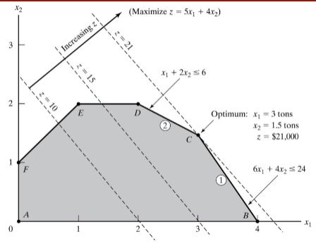
 |  | 3 | -1 | 1 | 0 | 0 | 1 | 0 |  |  |  | 1
 |  | 4 | 0 | 1 | 0 | 0 | 0 | 1 |  |  |  | 2

 |  |  | x1 | x2 | s1 | s2 | s3 | s4
 | c^T |  | 5 | 4 | 0 | 0 | 0 | 0

 |  |  | 5 | 6 | 1 | 2
 |  |  | s3 | s4 | x1 | x2
 | B | 1 | 0 | 0 | 6 | 4 |  |  | B^1 | 0.38 | -1.25 | 1.00 | 0.00
 |  | 2 | 0 | 0 | 1 | 2 |  |  |  | 0.12 | -0.75 | 0.00 | 1.00
 |  | 3 | 1 | 0 | -1 | 1 |  |  |  | 0.25 | -0.50 | 0.00 | 0.00
 |  | 4 | 0 | 1 | 0 | 1 |  |  |  | -0.12 | 0.75 | 0.00 | 0.00

 | c^T_B |  | 0 | 0 | 5 | 4

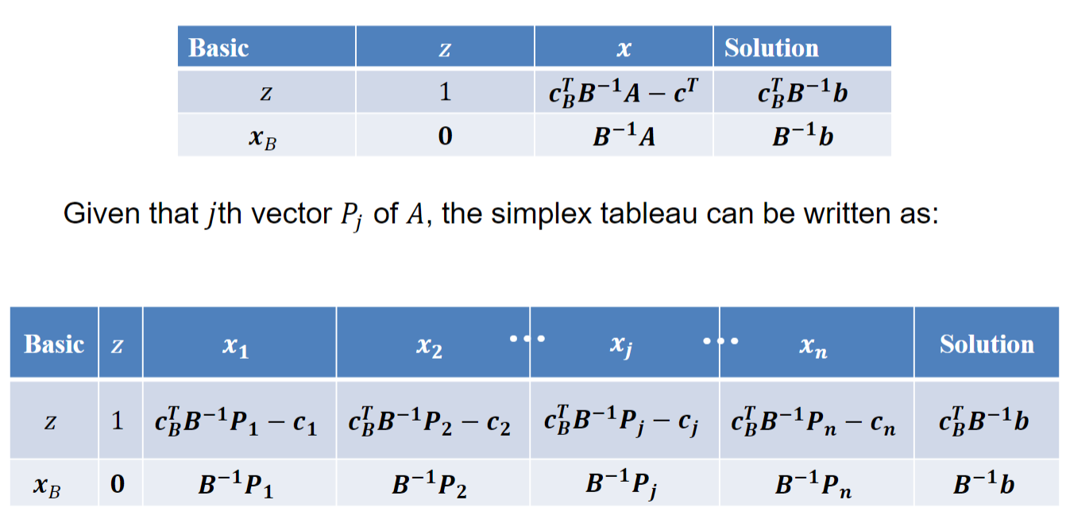

 | basic | z | x1 | x2 | s1 | s2 | s3 | s4 | solution
 | z | 1 | 0.000 | 0.000 | 0.750 | 0.500 | 0.000 | 0.000 | 21.000
 | s3 | 0 | 0.000 | 0.000 | 0.375 | -1.250 | 1.000 | 0.000 | 2.500
 | s4 | 0 | 0.000 | 0.000 | 0.125 | -0.750 | 0.000 | 1.000 | 0.500
 | x1 | 0 | 1.000 | 0.000 | 0.250 | -0.500 | 0.000 | 0.000 | 3.000
 | x2 | 0 | 0.000 | 1.000 | -0.125 | 0.750 | 0.000 | 0.000 | 1.500

 | basic | z | x1 | x2 | s1 | s2 | s3 | s4 | solution
 | z | 1 | 0.000 | 0.000 | 0.750 | 0.500 | 0.000 | 0.000 | 21.000 |  |  | w | 21.000
 | s3 | 0 | 0.000 | 0.000 | 0.375 | -1.250 | 1.000 | 0.000 | 2.500 |  |  | y1 | 0.750
 | s4 | 0 | 0.000 | 0.000 | 0.125 | -0.750 | 0.000 | 1.000 | 0.500 |  |  | y2 | 0.500
 | x1 | 0 | 1.000 | 0.000 | 0.250 | -0.500 | 0.000 | 0.000 | 3.000 |  |  | y3 | 0.000
 | x2 | 0 | 0.000 | 1.000 | -0.125 | 0.750 | 0.000 | 0.000 | 1.500 |  |  | y4 | 0.000
 |  |  |  |  |  |  |  |  |  |  |  | sd1 | 0.000
 |  |  |  |  |  |  |  |  |  |  |  | sd2 | 0.000

RHS | feasibility
New activity | Optimality
Costs

